Overview

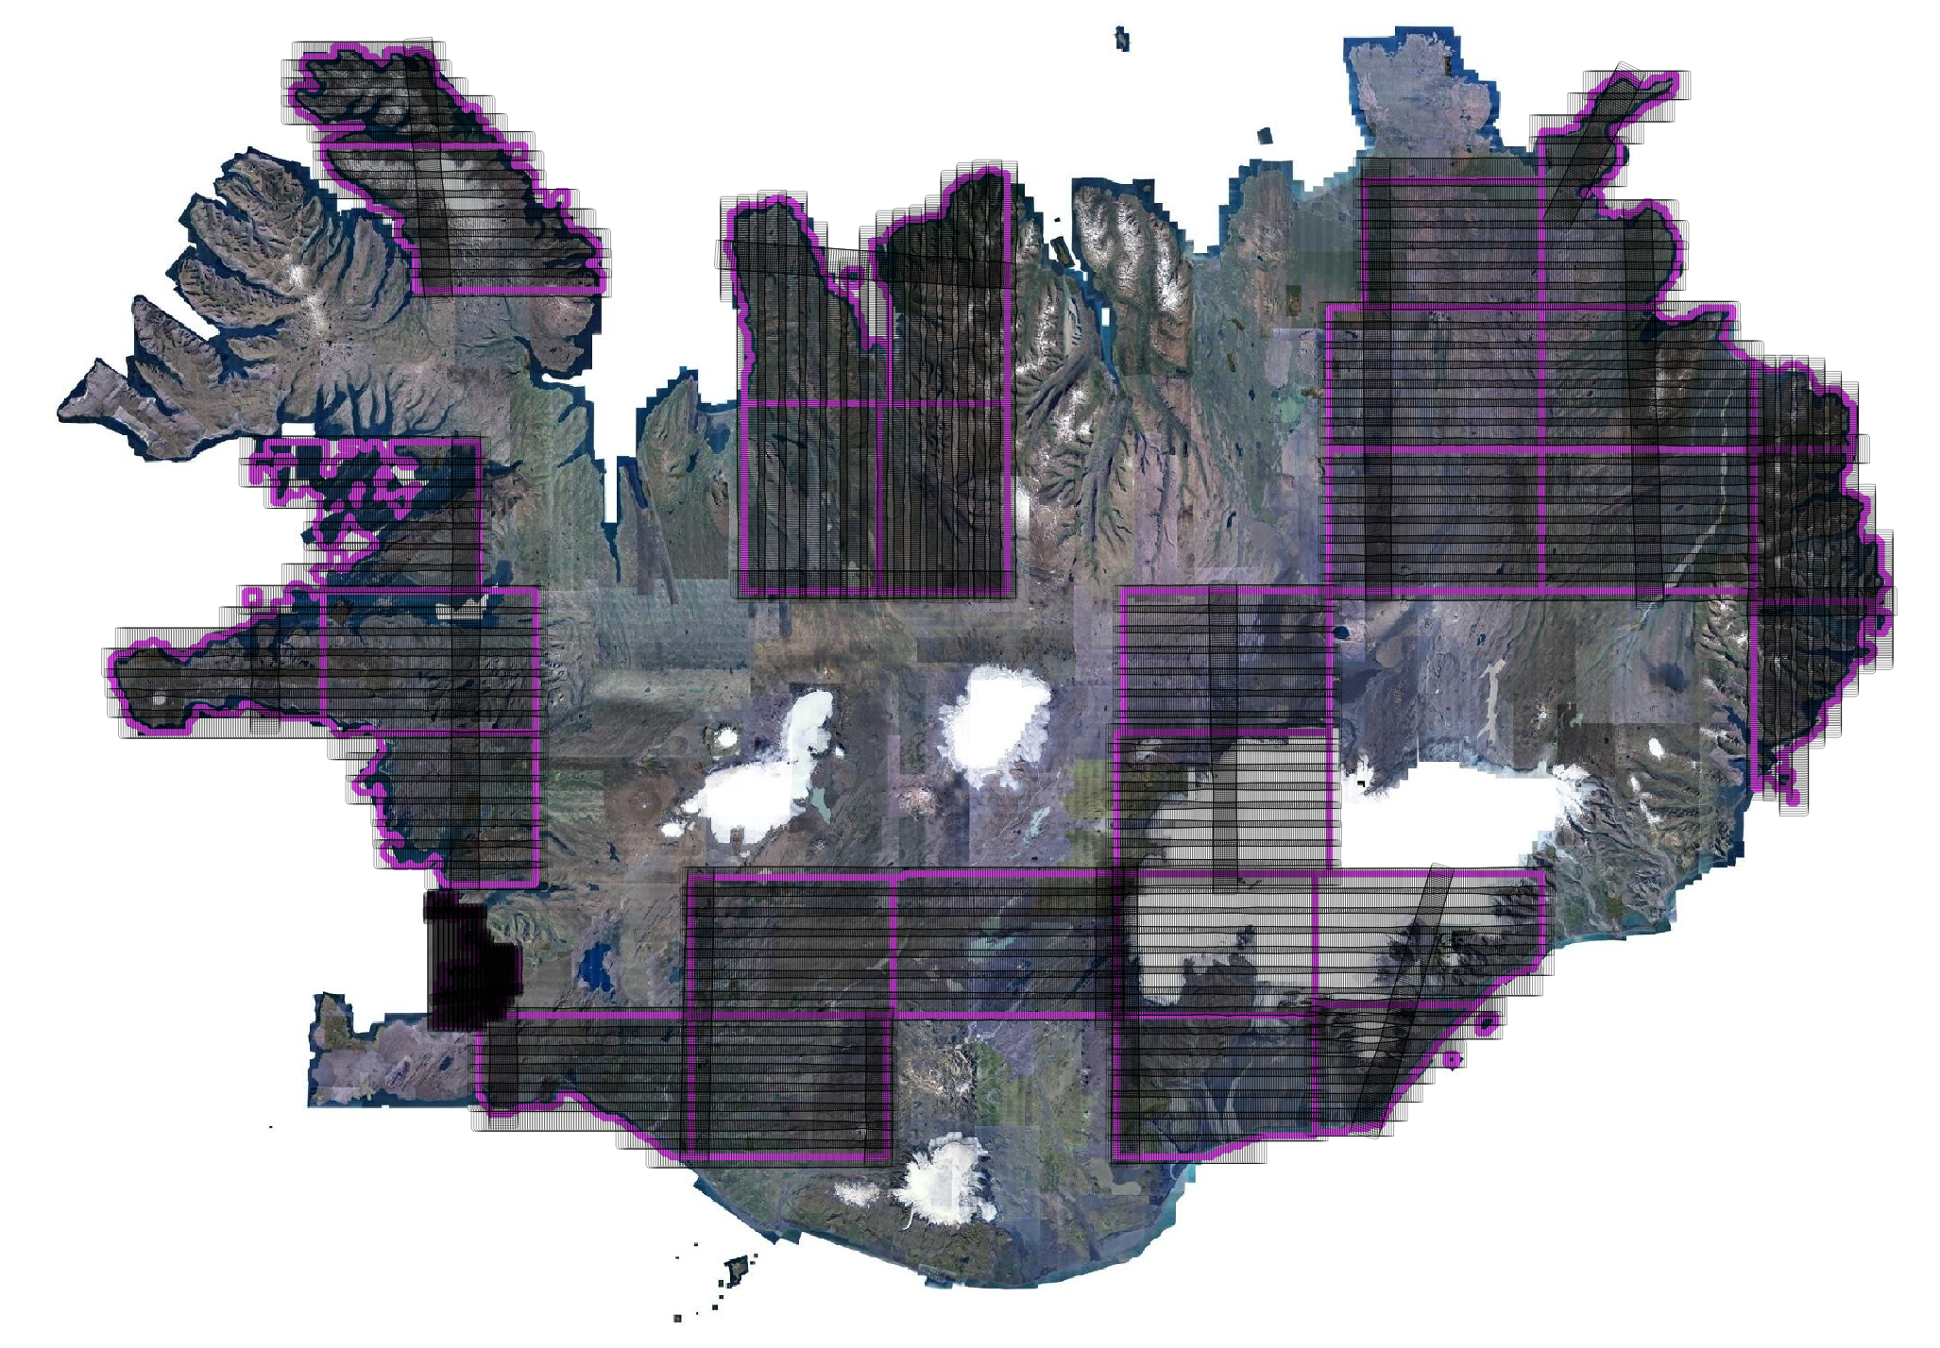
Weekly status: | Digital Aerial Ortho Imagery in Iceland |  |  |  |  |  |  |  |  |  |  |  |  |  |  |  |  |  |  |  |  |  |  |  | yes
Public Tender | 22122 |  |  |  |  |  |  |  |  |  |  |  |  |  |  |  |  |  |  |  |  |  |  |  | no
Mapping Year | 2026 |  |  |  |  |  |  |  |  |  |  |  |  |  |  |  |  |  |  |  |  |  |  |  | partial
Lot | 2
Supplier | Hexagon
Lot Price | 133,063,150.00 | ISK excl. VAT |  | 2364.0121165
Area of Lot | 56,287 | km2

 |  | During Mapping Season 2024 |  |  |  |  |  |  |  |  |  |  |  |  |  |  |  | After Mapping Season
EXAMPLE | EXAMPLE BLOCK | 2024-07-15 | 2024-07-16 | 900 | 900 | OY-CKP | DMC4 | 2024-07-29 | yes | ### | 1500.00 | 1 | 2,350.00 | 3,525,000.00 | 0 | 0.00 | 1,762,500.00 |  |  |  |  | #VALUE! | #VALUE!
Block ID | Thumbnail | First exposure date | Last exposure date | # imges total | # images planned | Plane ID | Camera ID | Survey summary delivery date FTP | Survey summary approved | Invoice # | km2 in block2 | % block delivered | Block rate ISK | Block price Total | # Late penalty days | Penalty ISK | To invoice (VAT excl.) - max. 50% block price | Final orthos/AT delivery date FTP | Ortho tile/AT delivery approved | # penalty rejected deliveries >2x | # penalty days | Penalty ISK2 | To Invoice (excl. VAT) - max. 30% block price | Invoice Numb.
RVK |  |  |  |  |  |  |  |  |  |  | 477.98 | #DIV/0! | 4,000.00 | 1,911,910.26 |  | 0.00 | #DIV/0! |  |  |  |  | 0 | #DIV/0!
SW45_27 |  |  |  |  |  |  |  |  |  |  | 1512.25 | #DIV/0! | 2,350.00 | 3,553,785.68 |  | 0.00 | #DIV/0! |  |  |  |  | 0 | #DIV/0!
NW49_31 |  |  |  |  |  |  |  |  |  |  | 1903.26 | #DIV/0! | 2,350.00 | 4,472,670.54 |  | 0.00 | #DIV/0! |  |  |  |  | 0 | #DIV/0!
SW51_27 |  |  |  |  |  |  |  |  |  |  | 2392.41 | #DIV/0! | 2,350.00 | 5,622,154.67 |  | 0.00 | #DIV/0! |  |  |  |  | 0 | #DIV/0!
SW52_23 |  |  |  |  |  |  |  |  |  |  | 1807.20 | #DIV/0! | 2,350.00 | 4,246,927.37 |  | 0.00 | #DIV/0! |  |  |  |  | 0 | #DIV/0!
NW51_40 |  |  |  |  |  |  |  |  |  |  | 2174.61 | #DIV/0! | 2,350.00 | 5,110,331.59 |  | 0.00 | #DIV/0! |  |  |  |  | 0 | #DIV/0!
SW56_15 |  |  |  |  |  |  |  |  |  |  | 1768.63 | #DIV/0! | 2,350.00 | 4,156,288.35 |  | 0.00 | #DIV/0! |  |  |  |  | 0 | #DIV/0!
SW62_19 |  |  |  |  |  |  |  |  |  |  | 2223.00 | #DIV/0! | 2,350.00 | 5,224,061.60 |  | 0.00 | #DIV/0! |  |  |  |  | 0 | #DIV/0!
SW62_15 |  |  |  |  |  |  |  |  |  |  | 2199.57 | #DIV/0! | 2,350.00 | 5,168,985.49 |  | 0.00 | #DIV/0! |  |  |  |  | 0 | #DIV/0!
NW63_37 |  |  |  |  |  |  |  |  |  |  | 1772.90 | #DIV/0! | 2,350.00 | 4,166,308.98 |  | 0.00 | #DIV/0! |  |  |  |  | 0 | #DIV/0!
HI74_27 |  |  |  |  |  |  |  |  |  |  | 2320.40 | #DIV/0! | 2,350.00 | 5,452,950.31 |  | 0.00 | #DIV/0! |  |  |  |  | 0 | #DIV/0!
HI74_23 |  |  |  |  |  |  |  |  |  |  | 2400.31 | #DIV/0! | 2,350.00 | 5,640,718.39 |  | 0.00 | #DIV/0! |  |  |  |  | 0 | #DIV/0!
HI74_19 |  |  |  |  |  |  |  |  |  |  | 2240.00 | #DIV/0! | 2,350.00 | 5,264,011.05 |  | 0.00 | #DIV/0! |  |  |  |  | 0 | #DIV/0!
SE74_15 |  |  |  |  |  |  |  |  |  |  | 2103.55 | #DIV/0! | 2,350.00 | 4,943,347.14 |  | 0.00 | #DIV/0! |  |  |  |  | 0 | #DIV/0!
NE81_39 |  |  |  |  |  |  |  |  |  |  | 1799.76 | #DIV/0! | 2,350.00 | 4,229,436.45 |  | 0.00 | #DIV/0! |  |  |  |  | 0 | #DIV/0!
NE80_35 |  |  |  |  |  |  |  |  |  |  | 2400.10 | #DIV/0! | 2,350.00 | 5,640,236.04 |  | 0.00 | #DIV/0! |  |  |  |  | 0 | #DIV/0!
HI80_31 |  | 16.8.2025 |  | 211 | 899 | OY-CKP | DMC4S |  |  |  | 2400.35 | 0.23470522803 | 2,350.00 | 5,640,832.34 |  | 0.00 | 661,966.42 |  |  |  |  | 0 | 397179.85232
SE79_20 |  |  |  |  |  |  |  |  |  |  | 2233.98 | #DIV/0! | 2,350.00 | 5,249,854.66 |  | 0.00 | #DIV/0! |  |  |  |  | 0 | #DIV/0!
SE79_16 |  | 17.8.2025 | 17.8.2025 | 607 | 607 | OY-CKP | DMC4S |  |  |  | 1093.80 | 1 | 2,350.00 | 2,570,433.91 |  | 0.00 | 1,285,216.95 |  |  |  |  | 0 | 771130.17295
NE86_39 |  |  |  |  |  |  |  |  |  |  | 1708.68 | #DIV/0! | 2,350.00 | 4,015,400.50 |  | 0.00 | #DIV/0! |  |  |  |  | 0 | #DIV/0!
NE86_35 |  |  |  |  |  |  |  |  |  |  | 2270.10 | #DIV/0! | 2,350.00 | 5,334,723.40 |  | 0.00 | #DIV/0! |  |  |  |  | 0 | #DIV/0!
NE86_31 |  | 16.8.2025 |  | 212 | 889 | OY-CKP | DMC4S |  |  |  | 2400.37 | 0.23847019123 | 2,350.00 | 5,640,861.60 |  | 0.00 | 672,588.67 |  |  |  |  | 0 | 403553.20303
SE92_35 |  | 17.8.2025 | 17.8.2025 | 288 | 288 | OY-CKP | DMC4S |  |  |  | 564.05 | 1 | 2,350.00 | 1,325,512.83 |  | 0.00 | 662,756.42 |  |  |  |  | 0 | 397653.85042
SE92_31 |  | 17.8.2025 | 17.8.2025 | 595 | 595 | OY-CKP | DMC4S |  |  |  | 1367.21 | 1 | 2,350.00 | 3,212,947.62 |  | 0.00 | 1,606,473.81 |  |  |  |  | 0 | 963884.28696
SE92_25 |  | 17.8.2025 | 17.8.2025 | 557 | 557 | OY-CKP | DMC4S |  |  |  | 1207.19 | 1 | 2,350.00 | 2,836,905.99 |  | 0.00 | 1,418,452.99 |  |  |  |  | 0 | 851071.79596
NW67_37 |  |  |  |  |  |  |  |  |  |  | 1981.83 | #DIV/0! | 2,350.00 | 4,657,311.64 |  | 0.00 | #DIV/0! |  |  |  |  | 0 | #DIV/0!
NW63_31 |  |  |  |  |  |  |  |  |  |  | 2014.25 | #DIV/0! | 2,350.00 | 4,733,483.38 |  | 0.00 | #DIV/0! |  |  |  |  | 0 | #DIV/0!
NW67_31 |  |  |  |  |  |  |  |  |  |  | 1908.23 | #DIV/0! | 2,350.00 | 4,484,350.10 |  | 0.00 | #DIV/0! |  |  |  |  | 0 | #DIV/0!
HI68_19 |  |  |  |  |  |  |  |  |  |  | 2517.02 | #DIV/0! | 2,350.00 | 5,915,000.89 |  | 0.00 | #DIV/0! |  |  |  |  | 0 | #DIV/0!
NW51_44 |  |  |  |  |  |  |  |  |  |  | 1124.02 | #DIV/0! | 2,350.00 | 2,641,448.63 |  | 0.00 | #DIV/0! |  |  |  |  | 0 | #DIV/0!

 |  |  |  |  |  |  |  |  |  |  | 56287.03 |  |  | 133,063,191.43

 |  |  |  |  |  |  |  |  | Bonus | Total |  | #DIV/0! | km2
 |  |  |  |  |  |  |  |  |  | Percentage |  | #DIV/0!
 |  |  |  |  |  |  |  |  |  | Eligible for bonus? |  | #DIV/0!
 |  |  |  |  |  |  |  |  |  | Bonus amount on 15 Sept |  | #DIV/0! | million ISK | Billable to NLSI after 15 September 2024

